Map
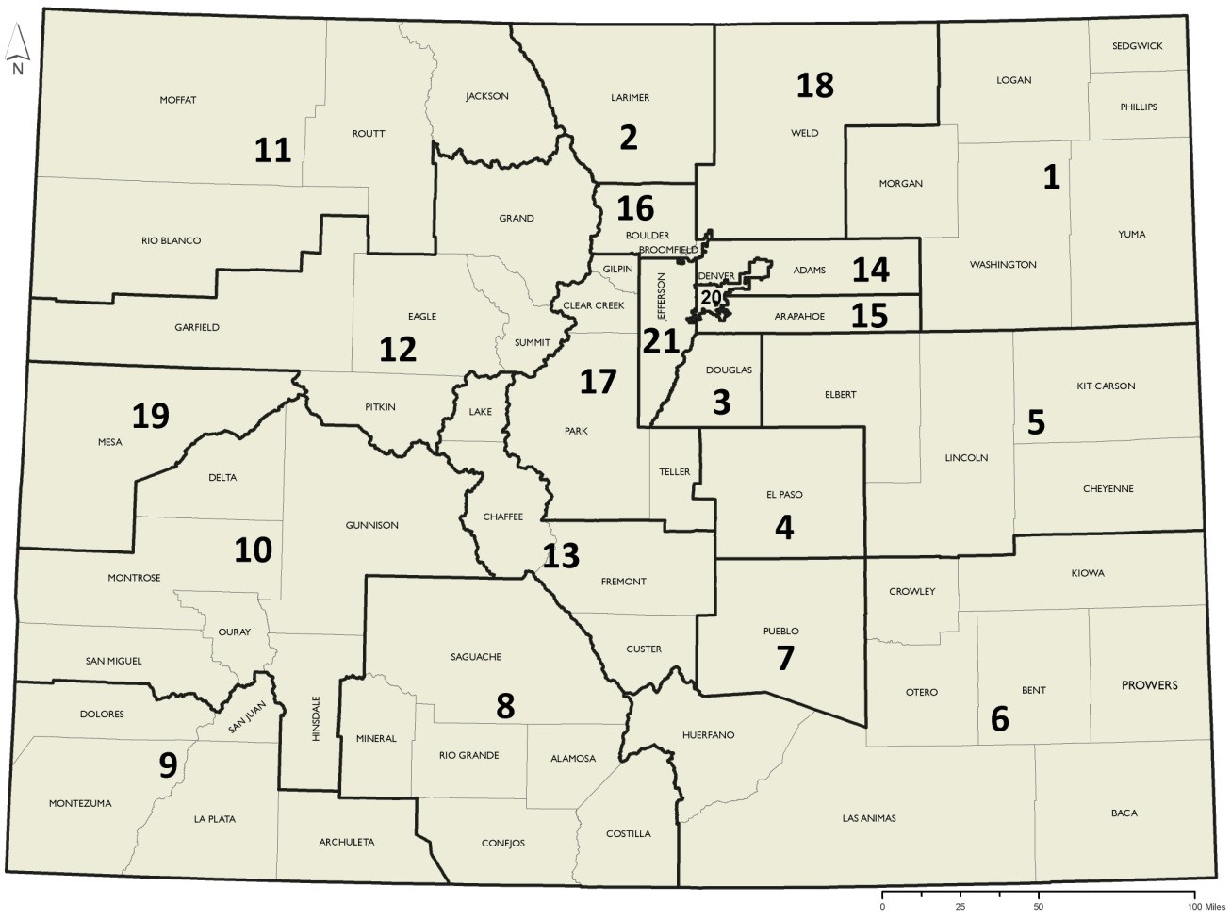
Figure 1. 21 Health Statistics Regions, Colorado, 2019

